1
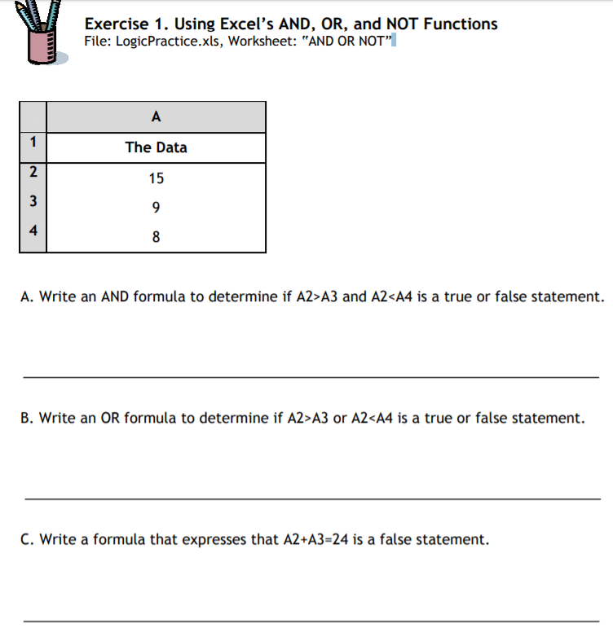
The Data
15 | Answer
9 | AND | FALSE
8 | OR | TRUE
 | NOT | FALSE

2
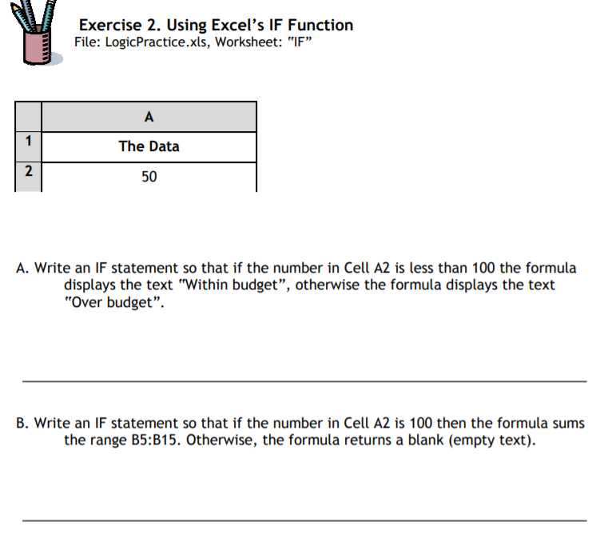
The Data
50 |  | Answer
 |  | Within budget

 | 10
 | 20
 | 30
 | 40
 | 50
 | 60
 | 70
 | 80
 | 90
 | 100
 | 110

3

Scores | Answer: Grade
45 | F
90 | A
78 | C

NOTE - Used a nested formula rather than a reference table as per the File suggestion

4
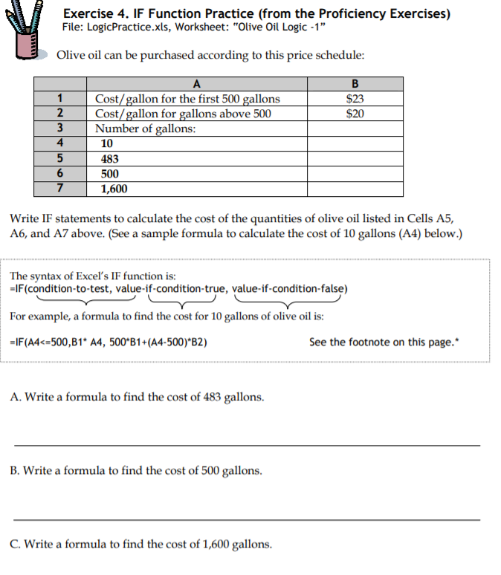
Cost / gallon for the first 500 gallons | $23.00
Cost / gallon above 500 | $20.00
Number of gallons:
10 |  | Answer
483 |  | $11,109.00
500 |  | $11,500.00
1,600 |  | $33,500.00

5
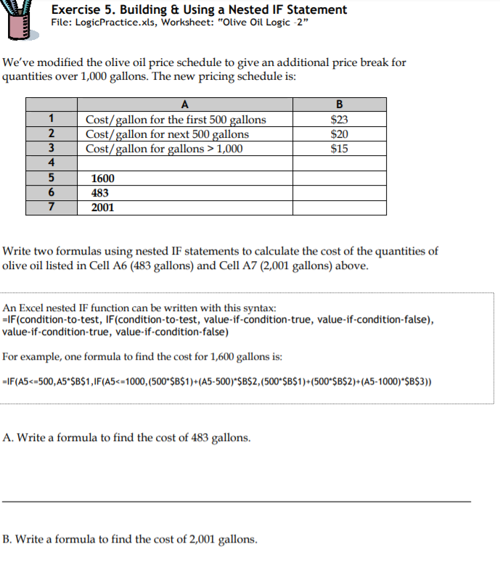
Cost / gallon for the first 500 gallons | $23.00
Cost / gallon for next 500 gallons | $20.00
Cost / gallon for gallons > 1000 | $15.00
Number of gallons:
1,600 |  | Answer
483 |  | $11,109.00
2001 |  | $36,515.00

BONUS 2
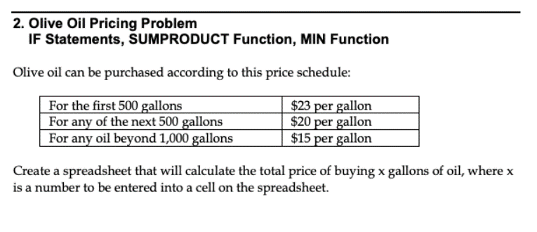
 |  | Volume of Oil at This Price
First 500 | $23.00 | 500
Next 500 | $20.00 | 500
Above 1,000 | $15.00 | 390

 | Total Barrels | 1,390
 | Total Cost | $27,350.00

***Using MIN/MAX to distribute the number in the right bucket

BONUS 3-1
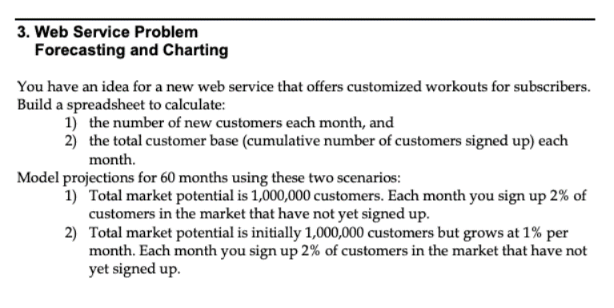
Month | New Customers | Total Customers | Initial Market Potential | 1,000,000
Jan-19 | 20,000 | 20,000 | Percentage Signup | 2%
Feb-19 | 19,600 | 39,600
Mar-19 | 19,208 | 58,808
Apr-19 | 18,824 | 77,632
May-19 | 18,447 | 96,079
Jun-19 | 18,078 | 114,158
Jul-19 | 17,717 | 131,874
Aug-19 | 17,363 | 149,237
Sep-19 | 17,015 | 166,252
Oct-19 | 16,675 | 182,927
Nov-19 | 16,341 | 199,269
Dec-19 | 16,015 | 215,283
Jan-20 | 15,694 | 230,978
Feb-20 | 15,380 | 246,358
Mar-20 | 15,073 | 261,431
Apr-20 | 14,771 | 276,202
May-20 | 14,476 | 290,678
Jun-20 | 14,186 | 304,865
Jul-20 | 13,903 | 318,767
Aug-20 | 13,625 | 332,392
Sep-20 | 13,352 | 345,744
Oct-20 | 13,085 | 358,829
Nov-20 | 12,823 | 371,653
Dec-20 | 12,567 | 384,220
Jan-21 | 12,316 | 396,535
Feb-21 | 12,069 | 408,605
Mar-21 | 11,828 | 420,432
Apr-21 | 11,591 | 432,024
May-21 | 11,360 | 443,383
Jun-21 | 11,132 | 454,516
Jul-21 | 10,910 | 465,425
Aug-21 | 10,691 | 476,117
Sep-21 | 10,478 | 486,595
Oct-21 | 10,268 | 496,863
Nov-21 | 10,063 | 506,925
Dec-21 | 9,861 | 516,787
Jan-22 | 9,664 | 526,451
Feb-22 | 9,471 | 535,922
Mar-22 | 9,282 | 545,204
Apr-22 | 9,096 | 554,300
May-22 | 8,914 | 563,214
Jun-22 | 8,736 | 571,949
Jul-22 | 8,561 | 580,510
Aug-22 | 8,390 | 588,900
Sep-22 | 8,222 | 597,122
Oct-22 | 8,058 | 605,180
Nov-22 | 7,896 | 613,076
Dec-22 | 7,738 | 620,815
Jan-23 | 7,584 | 628,398
Feb-23 | 7,432 | 635,830
Mar-23 | 7,283 | 643,114
Apr-23 | 7,138 | 650,251
May-23 | 6,995 | 657,246
Jun-23 | 6,855 | 664,101
Jul-23 | 6,718 | 670,819
Aug-23 | 6,584 | 677,403
Sep-23 | 6,452 | 683,855
Oct-23 | 6,323 | 690,178
Nov-23 | 6,196 | 696,374
Dec-23 | 6,073 | 702,447

